PHOTOS MEN
COWOCPS2714CO90 | COMFORT PARKA -20°C

ROYAL BLUE |  |  | CLASSIC NAVY |  |  | BLACK
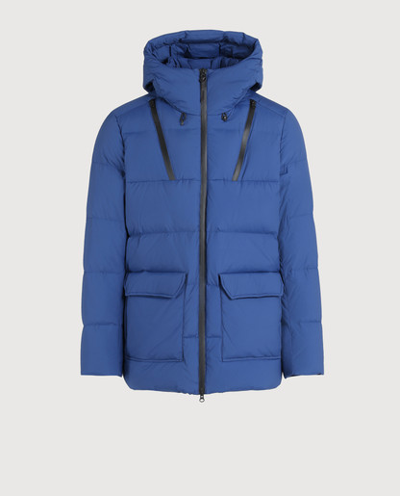
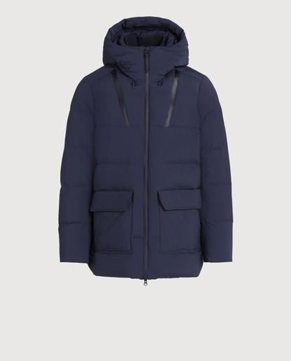
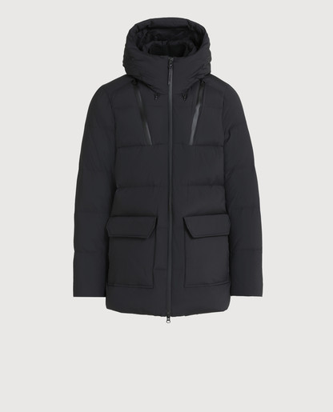

COWOCPS2891UT0573 | BUFFALO BOMBER -20°C | 100 | BLACK | COWOCPS2859UT1701 | BUFFALO WOOL PARKA -20°C | 100 | UT1701
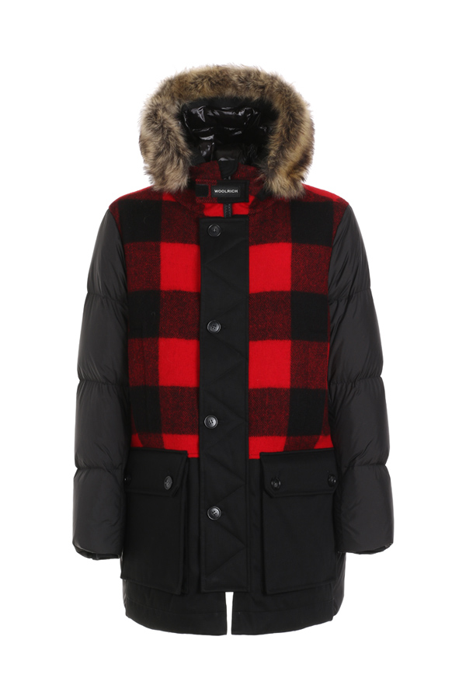
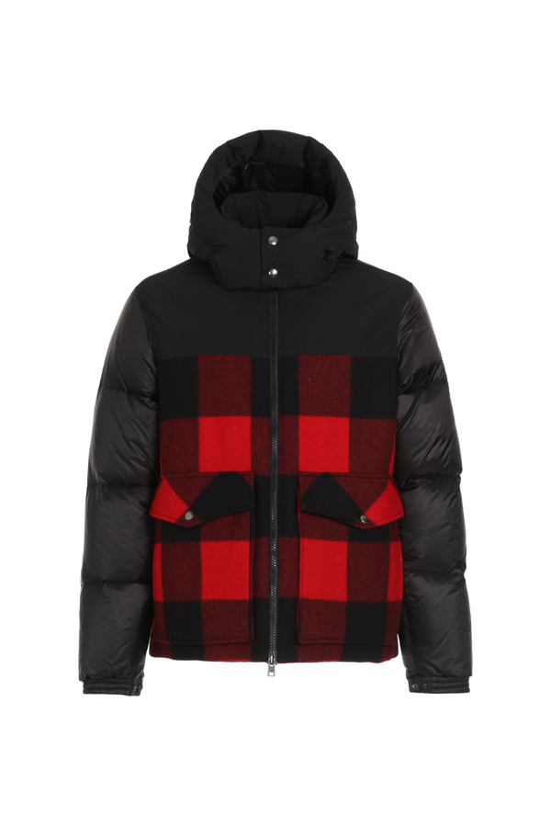

COWOCPS2707ST02 | STRETCH MOUNTAIN JKT -10°C

PHANTOM |  |  |  | BLACK |  |  | CLASSIC NAVY
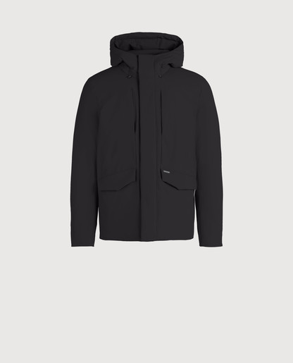
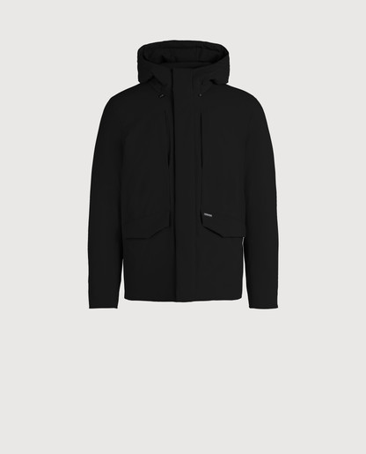
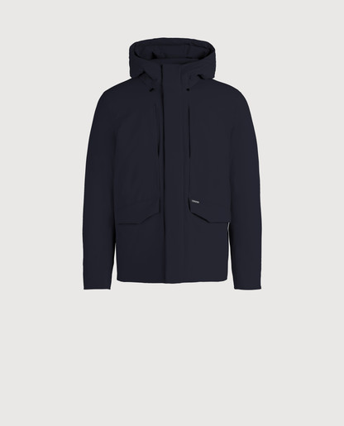

COWOCPS2906UT1297 | LOGO ARCTIC JACKET -20°C

SNOW STONE |  |  |  |  | BLACK
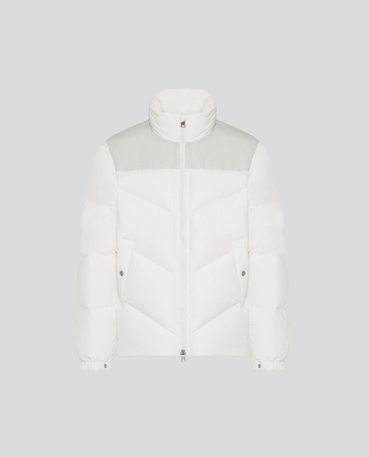
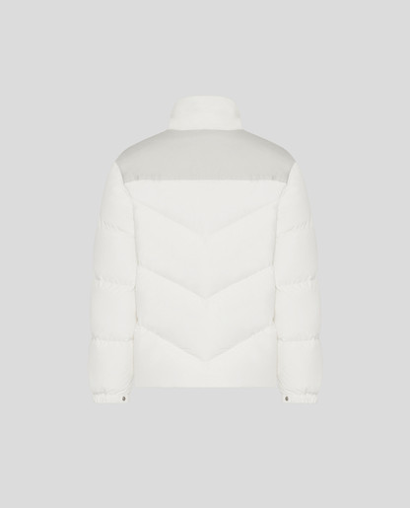
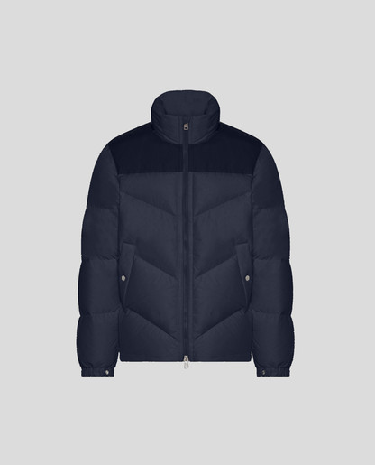
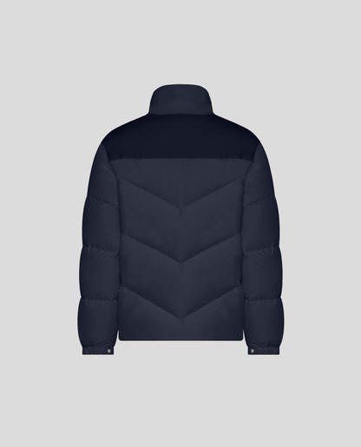

WOMAN PHOTOS
COWWCPS2677UT05 | W'S SEYMOUR MILITARY JACKET 3in1 (-10°C)

130 - PEARL
esterno+interno |  | interno |  | esterno
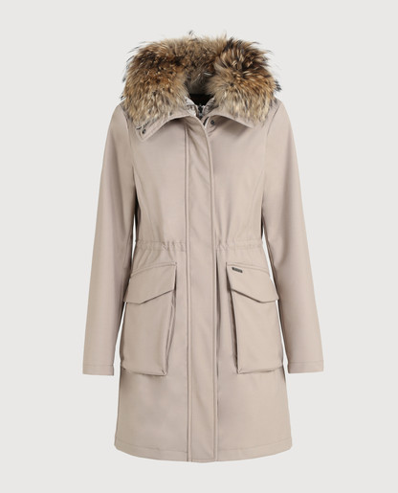
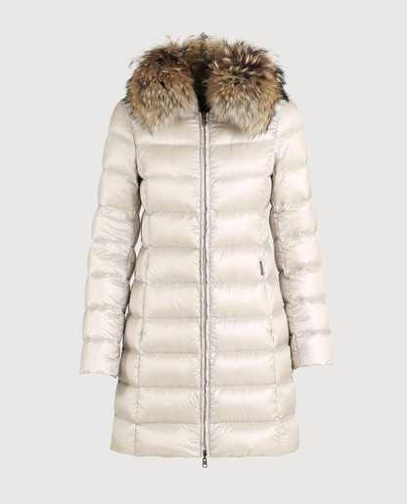
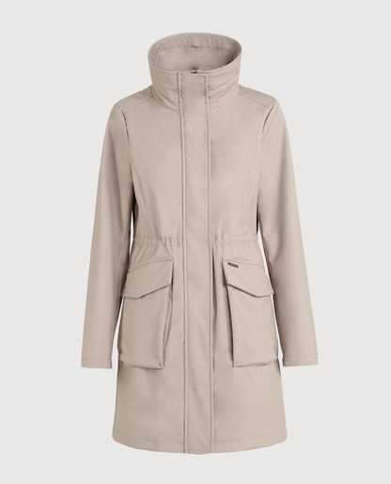

3989 - MELTON BLUE
esterno+interno |  | interno |  | esterno
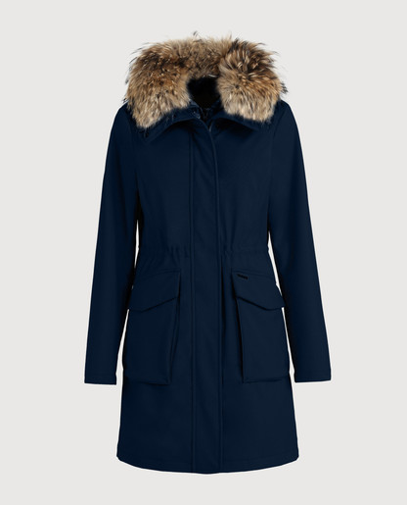
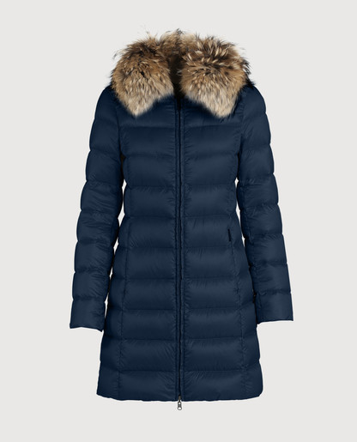
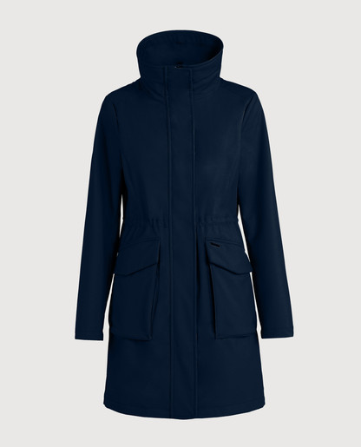

100 - BLACK
esterno+interno |  | interno |  | esterno
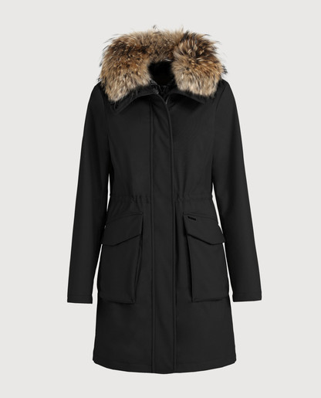
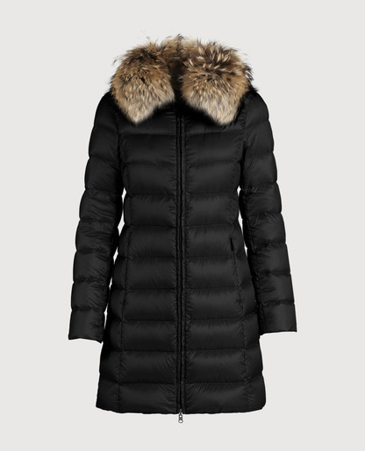
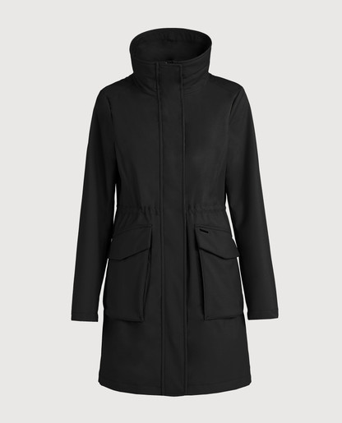

COWWCPS2599PD40 | W'S AURORA PUFFY COAT (-20°C)

100 - BLACK |  | 2621 - GOLDEN YELLOW |  |  | 565 - FLAME RED |  | 30011 - COBALT BLUE
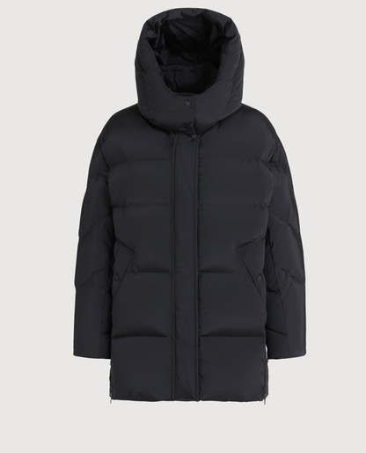
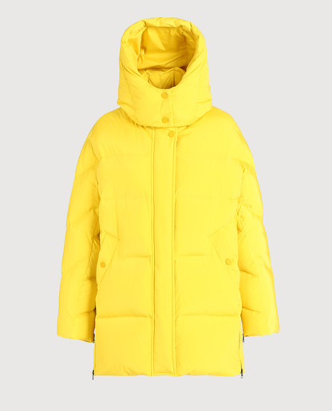
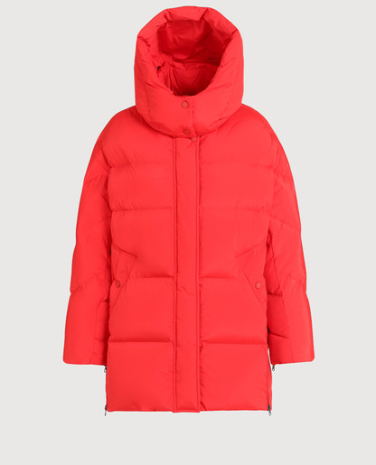
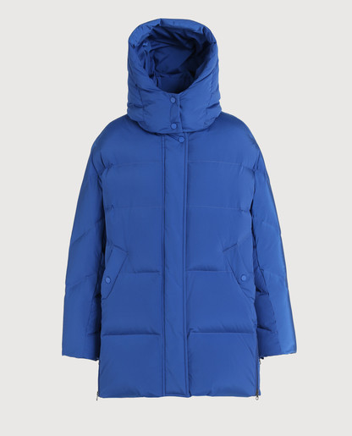

COWWCPS2627LM10 | W'S ESSEX MILITARY COAT (-20°C)

 | 6202 - ALPHA TAUPE
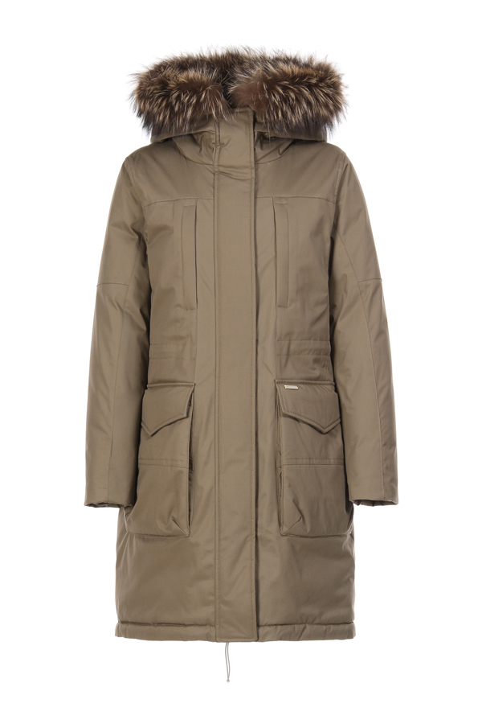

COWWCPS2837UT1974 | W'S BELLEFONTE PARKA (-10°C)

 | 100 - BLACK
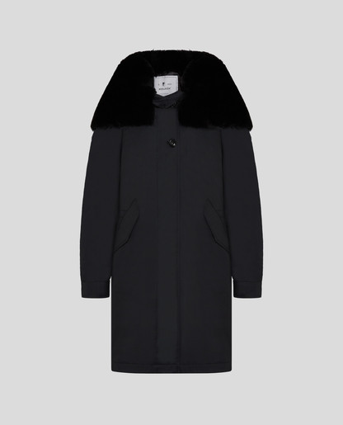

COWWCPS2805UT0001 | W'S MINERVA BOMBER (-20°C)

BLK - BLACK |  | DAG - DARK GREEN |  |  | DKN - DARK NAVY
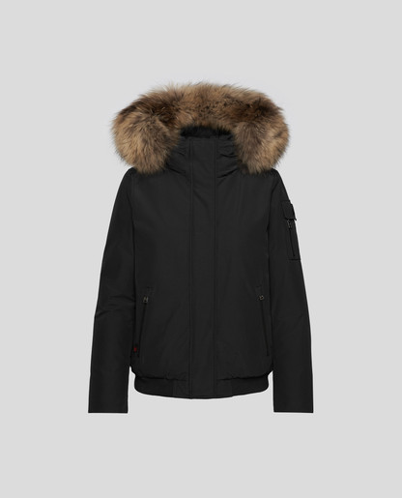
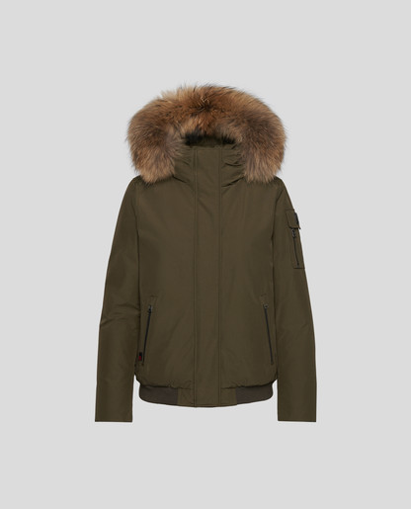
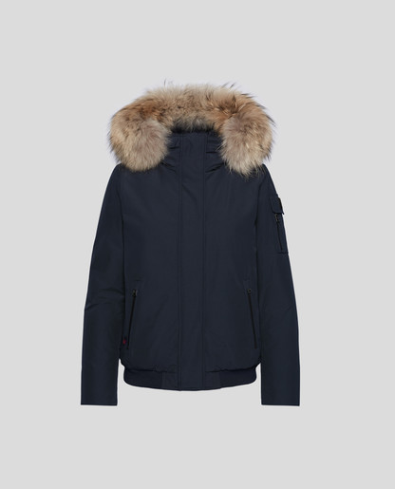

COWWCPS2845UT1974 | W'S TIFFANY PARKA (-20°C)

3989 - MELTON BLUE | front | 100 - BLACK | back
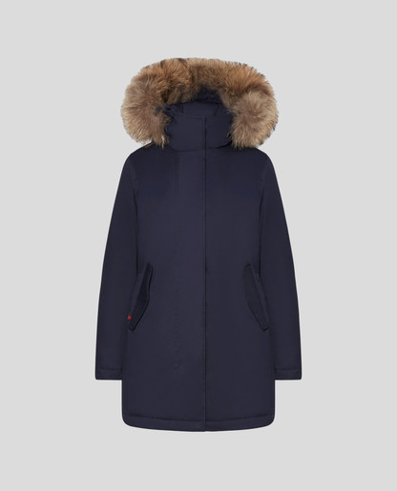
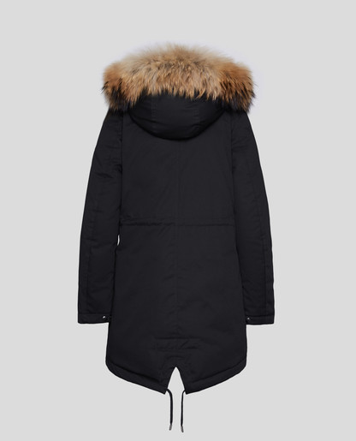

COWWCPS2777UT1645 | W'S HAZELTON COAT

5405 - MARINE SCARLET |  | 100 - BLACK
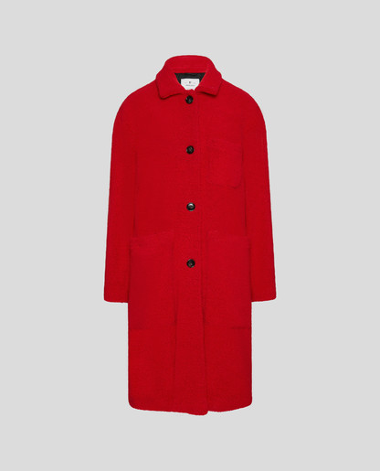
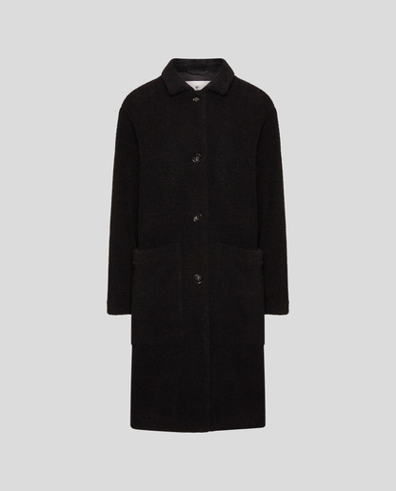

COWWCPS2790UT0573 | W'S YORK PARKA (-10°C)

6291 - ARMY OLIVE |  | 8254 - WHITE IGLOO |  | 324 - MIDNIGHT BLUE |  | 100 - BLACK
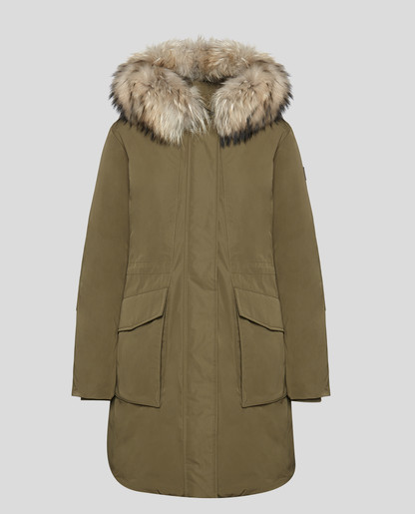
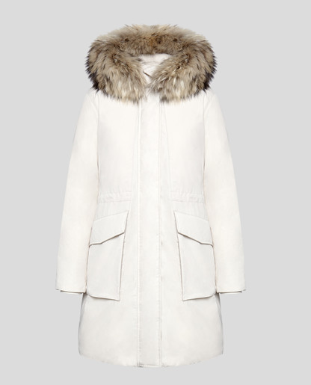
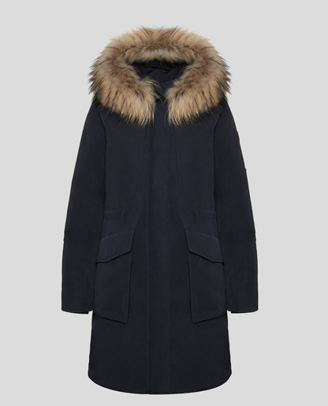
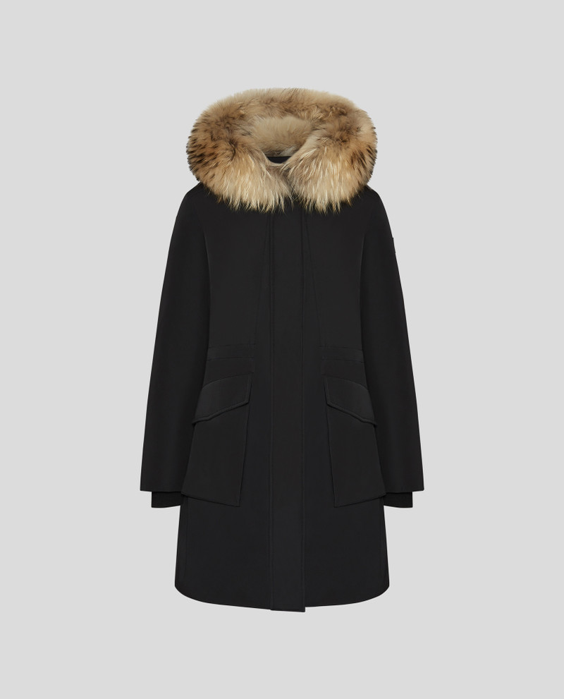

CFWWOU0362FRUT2492 | W'S TECH SHORT JACKET (-5°C)

 | 5405 - MARINE SCARLET
